Story

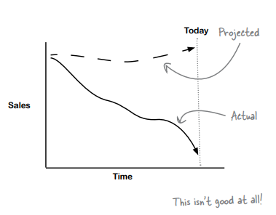
It’s a coffee recession!
Times are tough, and even Starbuzz Coffee has felt the sting. Starbuzz has been the place to go for premium gourmet coffee, but in the past few months, sales have plummeted relative to their projections.

CEO : Sales are way down, and we need a plan to get back on track. It’s up to you to make a recommendation to the board.

The Starbuzz CEO has called you in to help figure out how to get sales back up.

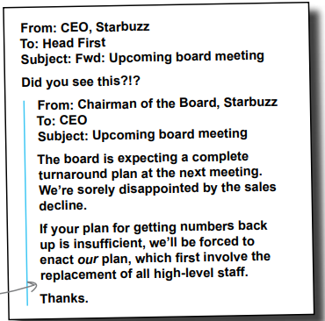

The Starbuzz board meeting is in three months

That’s not a lot of time to pull a turnaround plan together, but it must be done. We don’t totally know why sales are down, but we’re pretty sure the economy has something to do with it. Regardless, you need to figure out how to get sales back up. What would you do for starters?

1- Take a look at your. Which do you think would be the best ways to start? Why?

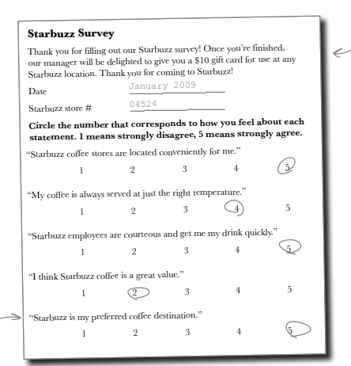
CEO: I like the idea of looking at our surveys. Give them a gander and tell me what you see ?
Marketing runs surveys monthly
They take a random, representative sample of their coffee consumers and ask them a bunch of pertinent questions about how they feel about the coffee and the coffee-buying experience. What people say in surveys does not always fit with how they behave in reality, but it never hurts to ask people how they feel.

Here’s a summary of marketing surveys for the 6 months ending January 2009. The figures represent the average score given to each statement by survey respondents from participating stores.

 | Aug-08 | Sep-08 | Oct-08 | Nov-08 | Dec-08 | Jan-09
Location convenience | 4.7 | 4.6 | 4.7 | 4.2 | 4.8 | 4.2
Coffee temperature | 4.9 | 4.9 | 4.7 | 4.9 | 4.7 | 4.9
Courteous employees | 3.6 | 4.1 | 4.2 | 3.9 | 3.5 | 4.6
Coffee value | 4.3 | 3.9 | 3.7 | 3.5 | 3 | 2.1
Preferred destination | 3.9 | 4.2 | 3.7 | 4.3 | 4.3 | 3.9
Participating stores | 100 | 101 | 99 | 99 | 101 | 100

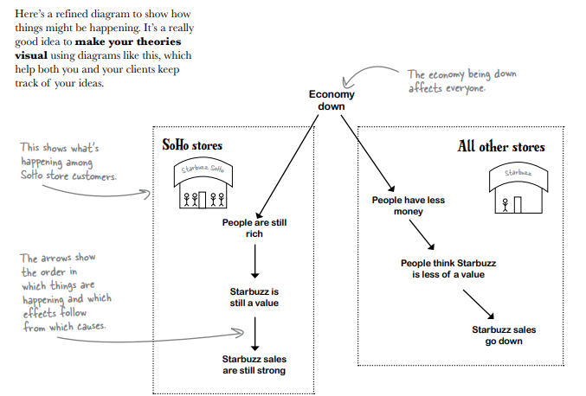
According to the data, everything’s going along just fine with Starbuzz customers, except for one variable: perceived Starbuzz coffee value. It looks like people might be buying less because they don’t think Starbuzz is a good bang for the buck. Maybe the economy has made people a little more cash-strapped, so they’re more sensitive to prices. Let’s call this theory the “value problem.”

Wait a minute:

The manager of the SoHo stores does not agree SoHo is a wealthy area and the home of a bunch of really lucrative Starbuzz stores, and the manager of those stores does not believe it’s true that there’s a value perception problem. Why do you think she’d disagree? Are her customers lying? Did someone record the data incorrectly? Or is there something problematic about the observational study itself ?

Manage confounders by breaking the data into chunks

To get your observational study confounders under control, sometimes it’s a good idea to divide your groups into smaller chunks. These smaller chunks are more homogenous. In other words, they don’t have the internal variation that might skew your results and give you the wrong ideas. Here is the Starbuzz survey data once again, this time with tables to represent other regions.

Mid-Atlantic stores only

 | Aug-08 | Sep-08 | Oct-08 | Nov-08 | Dec-08 | Jan-09
Location convenience MA | 4.9 | 4.5 | 4.5 | 4.1 | 4.9 | 4
Coffee temperature MA | 4.9 | 5 | 4.5 | 4.9 | 4.5 | 4.8
Courteous employees MA | 3.5 | 3.9 | 4 | 4 | 3.3 | 4.5
Coffee value MA | 4 | 3.5 | 2.9 | 2.6 | 2.2 | 0.8
Preferred destination MA | 4 | 4 | 3.8 | 4.5 | 4.2 | 4.1

Seattle stores only

 | Aug-08 | Sep-08 | Oct-08 | Nov-08 | Dec-08 | Jan-09
Location convenience STL | 4.8 | 4.5 | 4.8 | 4.4 | 5 | 4.1
Coffee temperature STL | 4.7 | 4.7 | 4.8 | 5.1 | 4.7 | 4.9
Courteous employees STL | 3.4 | 3.9 | 4.4 | 4 | 3.5 | 4.8
Coffee value STL | 4.3 | 3.8 | 3.2 | 2.6 | 2.1 | 0.6
Preferred destination STL | 3.9 | 4 | 3.8 | 4.4 | 4.3 | 3.8

SoHo stores only

 | Aug-08 | Sep-08 | Oct-08 | Nov-08 | Dec-08 | Jan-09
Location convenience SoHo | 4.8 | 4.8 | 4.8 | 4.4 | 4.8 | 4
Coffee temperature SoHo | 4.8 | 5 | 4.6 | 4.9 | 4.8 | 5
Courteous employees SoHo | 3.7 | 4.1 | 4.4 | 3.7 | 3.3 | 4.8
Coffee value SoHo | 4.9 | 4.8 | 4.8 | 4.9 | 4.9 | 4.8
Preferred destination SoHo | 3.8 | 4.2 | 3.8 | 4.2 | 4.1 | 4

It’s worse than we thought!
The big guns have all come out to deal with the problems you’ve identified.

CFO: This situation is worse than we had anticipated, by a long shot. The value perception in our regions other than SoHo has absolutely fallen through the floor.
Marketing: That’s right. The first table, which showed all the regions together, actually made the value perception look better than it is. SoHo skewed the averages upward.
CFO: When you break out SoHo, where everyone’s rich, you can see that SoHo customers are pleased with the prices but that everyone else is about to jump ship, if they haven’t already.
Marketing: So we need to figure out what to do. CFO: I’ll tell you what to do. Slash prices.
Marketing: What?!?
CFO: You heard me. We slash prices. Then people will see it as a better value.
Marketing: I don’t know what planet you’re from, but we have a brand to worry about.
CFO: I come from Planet Business, and we call this supply and demand. You might want to go back to school to learn what those words mean. Cut prices and demand goes up.
Marketing: We might get a jump in sales in the short term, but we’ll be sacrificing our profit margins forever if we cut costs. We need to figure out a way to persuade people that Starbuzz is a value and keep prices the same.
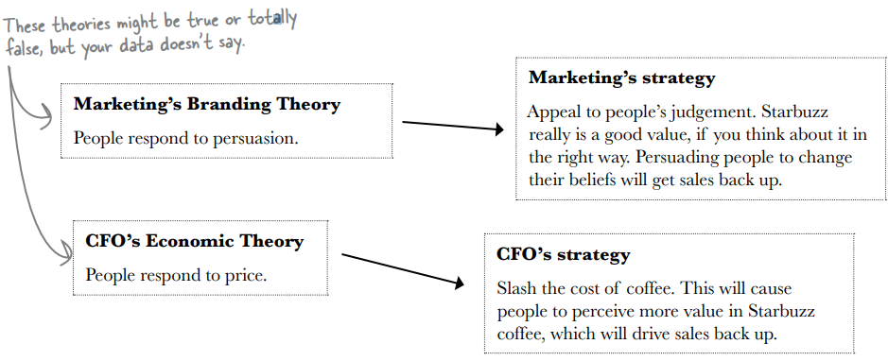
CFO: This is insane. I’m talking economics. Money. People respond to incentives. Your fluffy little ideas won’t get us out of this jam.

Is there anything in the data you have that tells you which strategy will increase sales?

You have no observational data that will tell you what will happen if you try out what either the VP of Marketing or the CFO suggests. If you want to draw conclusions about things that overlap with your data but aren’t completely described in the data, you need theory to make the connection

You need to experiment with these strategies in order to know which will increase sales.
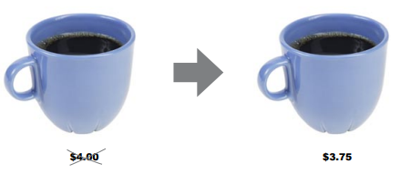

The Starbuzz CEO is in a big hurry

And he’s going to pull the trigger whether you’re ready or not! Let’s see how his gambit works out…

Starbuzz drops its prices

Taking a cue from the CFO, the CEO ordered a price drop across the board for the month of February. All prices in all Starbuzz stores are reduced by $0.25.

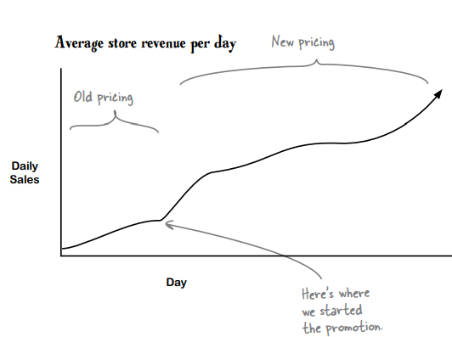
One Month Later

Sales couldn’t have the data. They only have data for $3.75 coffee and they can’t compare that data to hypothetical data about what kind of revenue $4.00 coffee would have brought them.

Control groups give you a baseline

You have no idea how much extra you made. Sales could have skyrocketed relative to what they would have been had the CEO not cut prices. Or they could have plummeted. You just don’t know. You don’t know because by slashing prices across the board the CEO failed to follow the method of comparison. Good experiments always have a control group that enables the analyst to compare what you want to test with the status quo.

No control group means no comparison. No comparison means no idea what happened.
The CEO still wants to know how much extra money the new strategy made… How will you answer his request?

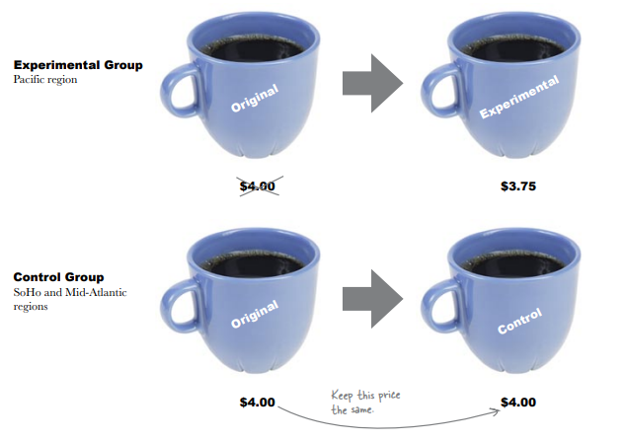
Let’s experiment for real!

We’re running the experiment again for the month of March. This time, Marketing divided the universe of Starbuzz stores into control and experimental groups. The experimental group consists of stores from the Pacific region, and the control group consists of stores from the SoHo and MidAtlantic regions

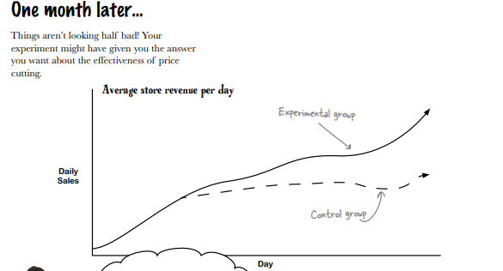

Your results show your experimental group making more revenue. It could be because people spend more when the coffee cost less. But since the groups aren’t comparable, it could be for any number of other reasons. The weather could be keeping people on the east coast indoors. The economy could have taken off in the Pacific region. What happened? You’ll never know, because of confounders.

Confounders also plague experiments

Just because you’ve stepped out of the world of observational studies to do an experiment you’re not off the hook with confounders. In order for your comparison to be valid, your groups need to be the same. Otherwise, you’re comparing apples to oranges

Your results show your experimental group making more revenue. It could be because people spend more when the coffee cost less. But since the groups aren’t comparable, it could be for any number of other reasons. The weather could be keeping people on the east coast indoors. The economy could have taken off in the Pacific region. What happened? You’ll never know, because of confounders

Here are four methods for selecting groups. How do you think each will fare as a method for avoiding confounders. Which one do you think will work best?

Charge every other customer differently as they check out. That way, half of your customers are experimental, half are control, and location isn’t a confounder.
Use historical controls, making all the stores the control group this month and all the stores the experimental group next month.
Randomly assign different stores to control and experimental groups.
Divide big geographic regions into small ones and randomly assign the microregions to control and experimental groups.

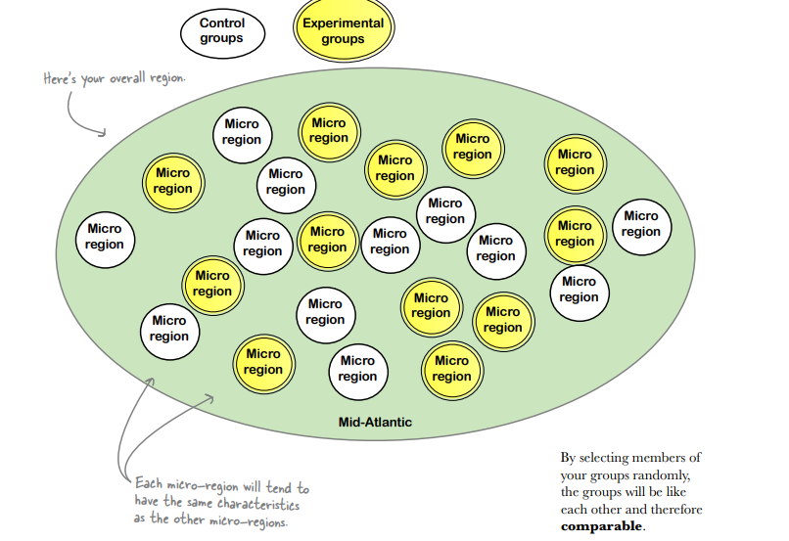
Randomization selects similar groups
Randomly selecting members from your pool of subjects is a great way to avoid confounders. What ends up happening when you randomly assign subjects to groups is this: the factors that might otherwise become confounders end up getting equal representation among your control and experimental groups.

It’s time to design your experiment. Now that you understand observational and experimental studies, control and experimental groups, confounding, and randomization, you should be able to design just the experiment to tell you what you want to know.

What are you trying to demonstrate? Why?
What are your control and experimental groups going to be?
How will you avoid confounders?
What will your results look like?

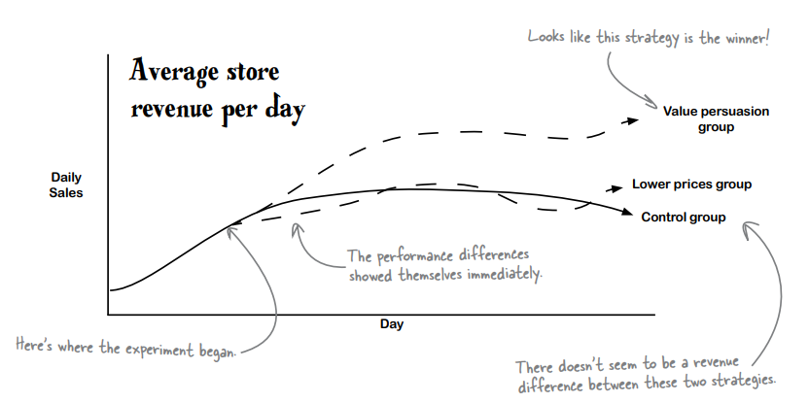
The results are in

Starbuzz set up your experiment and let it run over the course of several weeks. The daily revenue levels for the value persuasion group immediately went up compared to the other two groups, and the revenue for the lower prices group actually matched the control.

These are great results! Value persuasion appears to result in significantly higher sales than either lowering prices or doing nothing. It looks like you have your answer.

Starbuzz has an empirically tested sales strategy

When you started this adventure in experiments, Starbuzz was in disarray. You carefully evaluated observational survey data and learned more about the business from several bright people at Starbuzz, which led you to create a randomized controlled experiment. That experiment made a powerful comparison, which showed that persuading people that Starbuzz coffee is a more effective way to increase sales than lowering prices and doing nothing.

My work
1- Looking for possible ways to start

Option | Thoughts
Interview the CEO to figure out how Starbuzz works as a business. | I think this is the best start, it's essential to understand the current situation, a good data analyst has first to understand the current situation, analyse the gaps then see the options, we might be able to find some root cause by asking the CEO, "the 5 whys" could be a good idea, we can ask him what changed and if there is any new competitor
Do a survey of customers to find out what they’re thinking. | This might be a good start as well, but I still think that understanding the business takes priority. Nevertheless, this step should be the second one, we need to get into their head to understand the direction to take to increase sales
Find out how the projected sales figures were calculated. | I really don't think that this is a good start, also time is limited, we can't go exploring too far unnecessarly, I think it's wiser to trust the company projection and search for other issues before going to this one.
Interview the Chairman of the Board | We don't need to interview the chairman about the plan, since our objective is to suggest a plan to the CEO
Pour yourself a tall, steamy mug of Starbuzz coffee. | My personal point of view about Starbuzz coffee could be subjective, I prefer to rely on customers than my own personal taste

2- Observe the data

Location convenience rating over 6 past months
Coffee temperature rating over past 6 months

Courteous employees rating over past 6 months
Coffee value rating over past 6 months

Preferred destination rating over past 6 months
Participating stores over past 6 months

Survey average rating during the past 6 months
All ratings
 | First observation: From these charts we can see that the location convenience, nor the coffee temperature or employee's behavior has changed, the customer service is still on point. However the coffee value decreased dramatically during those six months, what I still find is odd is that, even if its value has changed a lot customers still like the place, maybe it is because of the previous factors.

 | Is there anything that might explain to you why sales are down?

 | The decrease in coffee value should be the reason why sales are down so customers don't want to spend their money on a product that does not provide value (but why is the value decreasing ?)

Ratings divided into homogenous chunks

Location convenience rating during past 6 months in each region
Coffee temperature rating during past 6 months in each region

Employee curteousity rating during past 6 months in each region
Coffee value rating during past 6 months in each region

Prefered destination rating during past 6 months in each region

Theory from graphs
If we compare just Mid Atlantic with the average scores, the values are close to the average, however the coffee value is far smaller than the average coffee value score, which means that the location cofonder really did skew the results. Besides we can see that customers still like Coffee starbuzz, they appreciate the service and it was still their prefered location, customers from Mid Atlantic and Seattle started to find less value in its coffee, however the customers from SoHo still found value in it. This gives us more hints that the economy going down didn't impact the wealth of SoHo customers, hence they probably were still able to live normally. So the manager right about her customers being happy with the value of Starbuzz coffee.
Was the SoHo manager right about her customers being happy with the value of Starbuzz ?
The manager was indeed correct, all those values were good proving that the customers in soho are satisfied with Starbuzz

Collegue : If we’re going to tell the CEO, we’d better be sure there aren’t confounders like we had in the past

Could any of these variables be confounding your results?

Culture: culture should be the same around all areas. | Location: since location was a factor before, it can be a cofonder now as well
Coffee temperature: according to the graph it was the same in all the historical data, so it shouldn't be the issue | Weather: weather is a part of location, it's a possibility as well

Here are four methods for selecting groups. How do you think each will fare as a method for avoiding confounders. Which one do you think will work best?

Charge every other customer differently as they check out. That way, half of your customers are experimental, half are control, and location isn’t a confounder. | No customer would agree to pay more than another beside them, this would surely impact negatively the reputation of Coffee starbuzz and eventually they will lose their customers, we won't be able to have good data to analyze.
Use historical controls, making all the stores the control group this month and all the stores the experimental group next month. | By a month a lot of variables might change, we could have different weather for example or new variables that we did not expect, we can't compare properly like that (different cofonders or the same but with less or more impact)
Randomly assign different stores to control and experimental groups. | At first glance this might be a good idea but this way customers can just go to stores where prices are lower.
Divide big geographic regions into small ones and randomly assign the microregions to control and experimental groups. | If the micro regions have the right size and are separated so that customers won't go to other stores this is the best idea, this way we are sure that our samples are balanced and have same cofonders so they can be accurately compared

It’s time to design your experiment. Now that you understand observational and experimental studies, control and experimental groups, confounding, and randomization, you should be able to design just the experiment to tell you what you want to know.

What are you trying to demonstrate? Why? | I'm tryin g to find the best solution between keeping the price the same, lowering the price, or persuading people about starbuzz coffee value in order to rise sales.
What are your control and experimental groups going to be? | My control experiment is a group in which the price is the same, no change at all, and for my experimental groups I will have two, the first one concerns lowering price, and the second one is the group where starbuzz coffee will persuade people about their coffee value.
How will you avoid confounders? | I will use controlled randomisation, I'm going to divide each region into micro regions then randomize it into my 2 experimental groups and the controlled group. This way each one has the same degree of confonders and we can compare correctly.
What will your results look like? | I'm expecting to have the average score revenue for each one, as for the best score, the data will tell its own story

